CSP-001 layout (96 well)
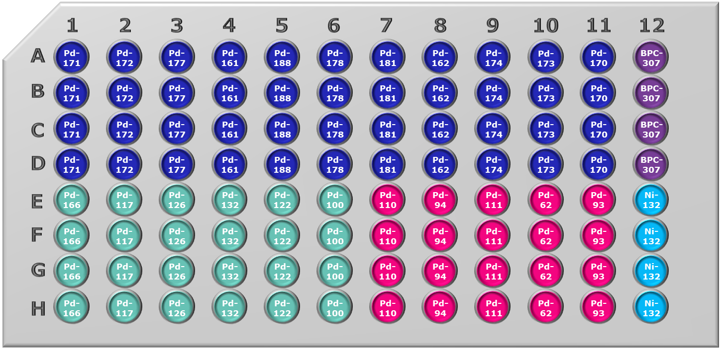
 | 1 | 2 | 3 | 4 | 5 | 6 | 7 | 8 | 9 | 10 | 11 | 12
A | Pd-171 | Pd-172 | Pd-177 | Pd-161 | Pd-188 | Pd-178 | Pd-181 | Pd-162 | Pd-174 | Pd-173 | Pd-170 | BPC-307
B | Pd-171 | Pd-172 | Pd-177 | Pd-161 | Pd-188 | Pd-178 | Pd-181 | Pd-162 | Pd-174 | Pd-173 | Pd-170 | BPC-307
C | Pd-171 | Pd-172 | Pd-177 | Pd-161 | Pd-188 | Pd-178 | Pd-181 | Pd-162 | Pd-174 | Pd-173 | Pd-170 | BPC-307
D | Pd-171 | Pd-172 | Pd-177 | Pd-161 | Pd-188 | Pd-178 | Pd-181 | Pd-162 | Pd-174 | Pd-173 | Pd-170 | BPC-307 | Pi-allyl technology
E | Pd-166 | Pd-117 | Pd-126 | Pd-132 | Pd-122 | Pd-100 | Pd-110 | Pd-94 | Pd-111 | Pd-62 | Pd-93 | Ni-132 | Buchwald G3
F | Pd-166 | Pd-117 | Pd-126 | Pd-132 | Pd-122 | Pd-100 | Pd-110 | Pd-94 | Pd-111 | Pd-62 | Pd-93 | Ni-132 | PdL2X2
G | Pd-166 | Pd-117 | Pd-126 | Pd-132 | Pd-122 | Pd-100 | Pd-110 | Pd-94 | Pd-111 | Pd-62 | Pd-93 | Ni-132 | Pd precursor
H | Pd-166 | Pd-117 | Pd-126 | Pd-132 | Pd-122 | Pd-100 | Pd-110 | Pd-94 | Pd-111 | Pd-62 | Pd-93 | Ni-132 | Ni OA complex

CSP-001 layout (4 x 24 well)
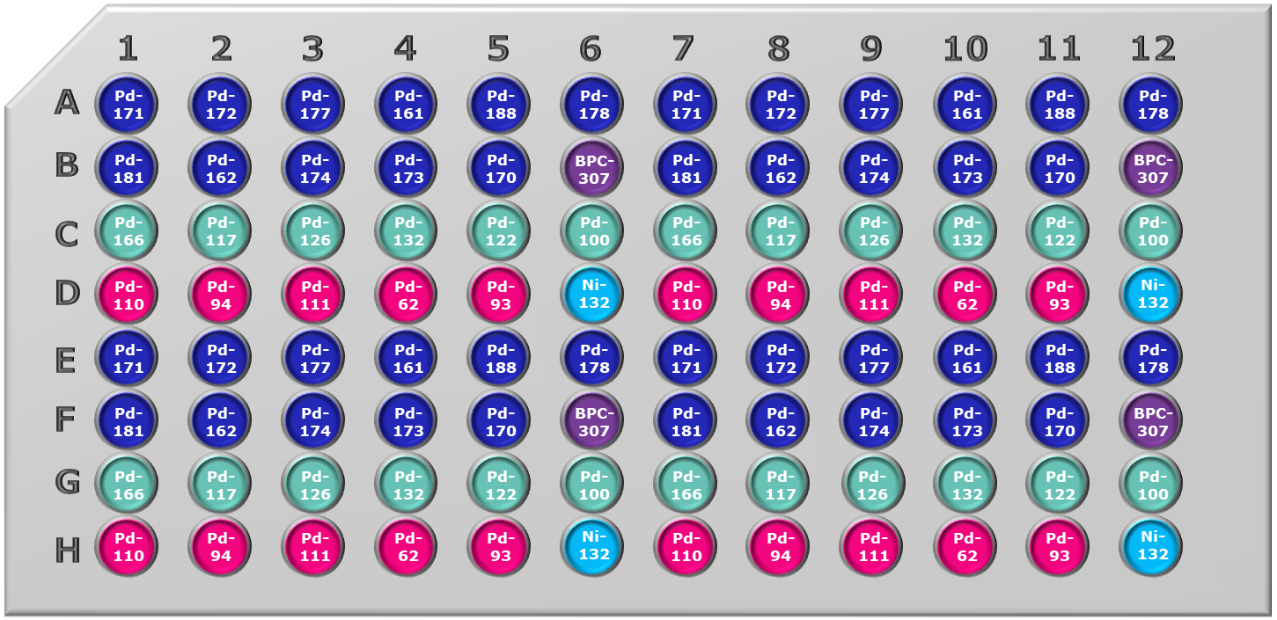
 | 1 | 2 | 3 | 4 | 5 | 6 | 7 | 8 | 9 | 10 | 11 | 12
A | Pd-171 | Pd-172 | Pd-177 | Pd-161 | Pd-188 | Pd-178 | Pd-171 | Pd-172 | Pd-177 | Pd-161 | Pd-188 | Pd-178
B | Pd-181 | Pd-162 | Pd-174 | Pd-173 | Pd-170 | BPC-307 | Pd-181 | Pd-162 | Pd-174 | Pd-173 | Pd-170 | BPC-307
C | Pd-166 | Pd-117 | Pd-126 | Pd-132 | Pd-122 | Pd-100 | Pd-166 | Pd-117 | Pd-126 | Pd-132 | Pd-122 | Pd-100
D | Pd-110 | Pd-94 | Pd-111 | Pd-62 | Pd-93 | Ni-132 | Pd-110 | Pd-94 | Pd-111 | Pd-62 | Pd-93 | Ni-132 | Pi-allyl technology
E | Pd-171 | Pd-172 | Pd-177 | Pd-161 | Pd-188 | Pd-178 | Pd-171 | Pd-172 | Pd-177 | Pd-161 | Pd-188 | Pd-178 | Buchwald G3
F | Pd-181 | Pd-162 | Pd-174 | Pd-173 | Pd-170 | BPC-307 | Pd-181 | Pd-162 | Pd-174 | Pd-173 | Pd-170 | BPC-307 | PdL2X2
G | Pd-166 | Pd-117 | Pd-126 | Pd-132 | Pd-122 | Pd-100 | Pd-166 | Pd-117 | Pd-126 | Pd-132 | Pd-122 | Pd-100 | Pd precursor
H | Pd-110 | Pd-94 | Pd-111 | Pd-62 | Pd-93 | Ni-132 | Pd-110 | Pd-94 | Pd-111 | Pd-62 | Pd-93 | Ni-132 | Ni OA complex

CSP-002 layout (96 well)
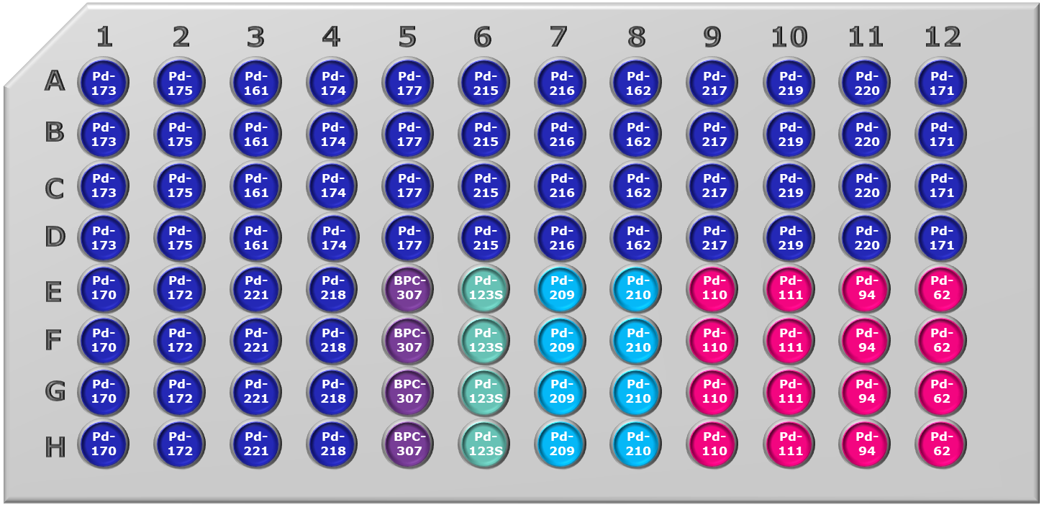
 | 1 | 2 | 3 | 4 | 5 | 6 | 7 | 8 | 9 | 10 | 11 | 12
A | Pd-173 | Pd-175 | Pd-161 | Pd-174 | Pd-177 | Pd-215 | Pd-216 | Pd-162 | Pd-217 | Pd-219 | Pd-220 | Pd-171
B | Pd-173 | Pd-175 | Pd-161 | Pd-174 | Pd-177 | Pd-215 | Pd-216 | Pd-162 | Pd-217 | Pd-219 | Pd-220 | Pd-171
C | Pd-173 | Pd-175 | Pd-161 | Pd-174 | Pd-177 | Pd-215 | Pd-216 | Pd-162 | Pd-217 | Pd-219 | Pd-220 | Pd-171
D | Pd-173 | Pd-175 | Pd-161 | Pd-174 | Pd-177 | Pd-215 | Pd-216 | Pd-162 | Pd-217 | Pd-219 | Pd-220 | Pd-171 | Pi-allyl technology
E | Pd-170 | Pd-172 | Pd-221 | Pd-218 | BPC-307 | Pd-123S | Pd-209 | Pd-210 | Pd-110 | Pd-111 | Pd-94 | Pd-62 | Buchwald G3
F | Pd-170 | Pd-172 | Pd-221 | Pd-218 | BPC-307 | Pd-123S | Pd-209 | Pd-210 | Pd-110 | Pd-111 | Pd-94 | Pd-62 | PdL2X2
G | Pd-170 | Pd-172 | Pd-221 | Pd-218 | BPC-307 | Pd-123S | Pd-209 | Pd-210 | Pd-110 | Pd-111 | Pd-94 | Pd-62 | Pd precursor
H | Pd-170 | Pd-172 | Pd-221 | Pd-218 | BPC-307 | Pd-123S | Pd-209 | Pd-210 | Pd-110 | Pd-111 | Pd-94 | Pd-62 | Pd OA complex

CSP-002 layout (4 x 24 well)
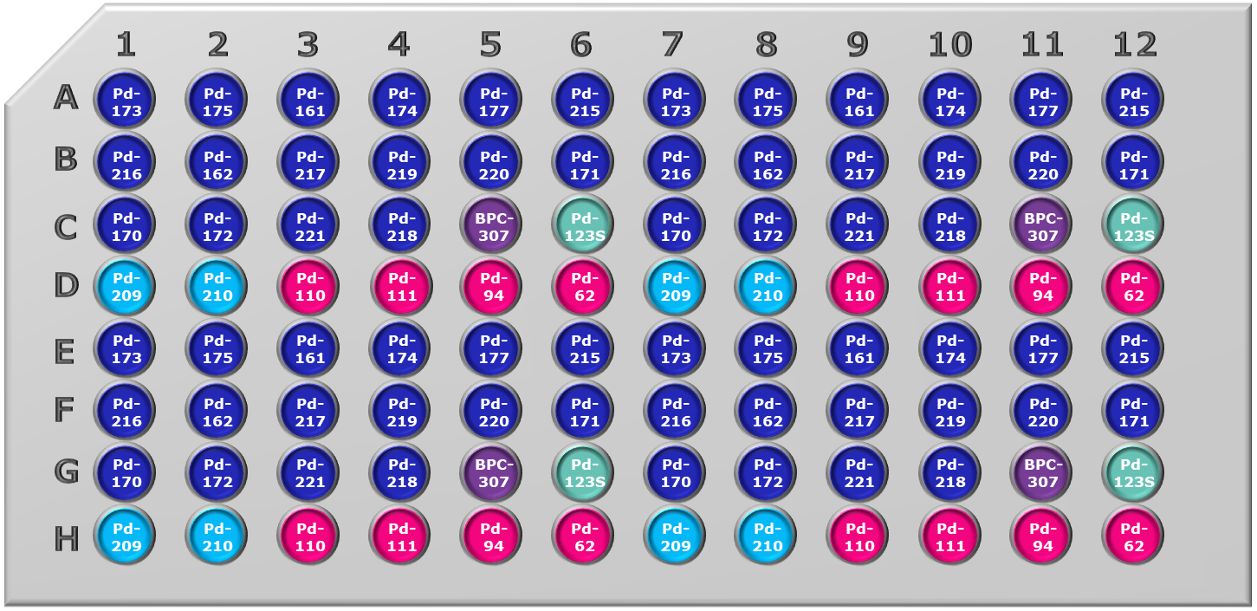
 | 1 | 2 | 3 | 4 | 5 | 6 | 7 | 8 | 9 | 10 | 11 | 12
A | Pd-173 | Pd-175 | Pd-161 | Pd-174 | Pd-177 | Pd-215 | Pd-173 | Pd-175 | Pd-161 | Pd-174 | Pd-177 | Pd-215
B | Pd-216 | Pd-162 | Pd-217 | Pd-219 | Pd-220 | Pd-171 | Pd-216 | Pd-162 | Pd-217 | Pd-219 | Pd-220 | Pd-171
C | Pd-170 | Pd-172 | Pd-221 | Pd-218 | BPC-307 | Pd-123S | Pd-170 | Pd-172 | Pd-221 | Pd-218 | BPC-307 | Pd-123S
D | Pd-209 | Pd-210 | Pd-110 | Pd-111 | Pd-94 | Pd-62 | Pd-209 | Pd-210 | Pd-110 | Pd-111 | Pd-94 | Pd-62 | Pi-allyl technology
E | Pd-173 | Pd-175 | Pd-161 | Pd-174 | Pd-177 | Pd-215 | Pd-173 | Pd-175 | Pd-161 | Pd-174 | Pd-177 | Pd-215 | Buchwald G3
F | Pd-216 | Pd-162 | Pd-217 | Pd-219 | Pd-220 | Pd-171 | Pd-216 | Pd-162 | Pd-217 | Pd-219 | Pd-220 | Pd-171 | PdL2X2
G | Pd-170 | Pd-172 | Pd-221 | Pd-218 | BPC-307 | Pd-123S | Pd-170 | Pd-172 | Pd-221 | Pd-218 | BPC-307 | Pd-123S | Pd precursor
H | Pd-209 | Pd-210 | Pd-110 | Pd-111 | Pd-94 | Pd-62 | Pd-209 | Pd-210 | Pd-110 | Pd-111 | Pd-94 | Pd-62 | Pd OA complex

